bug reports
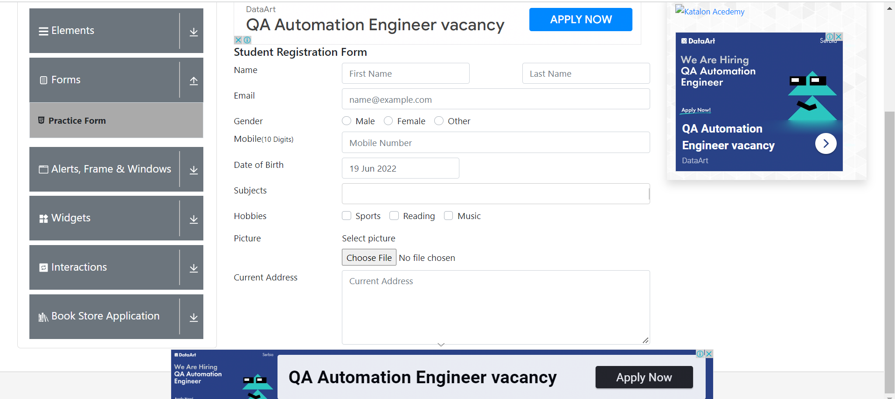
Description | Steps to reproduce | Test Data | Expected result | Actual result | Sreenshot | Time stramp | Environment | Assigned to | Severity | Priority
When you open the practice form, you can not see all fields and submit button | Navigate to https://demoqa.com/ |  | All elements are visible | All elements are not visible |  |  | Test |  | High | High
 | Click on Forms
 | Click Practice Form

